Introduction
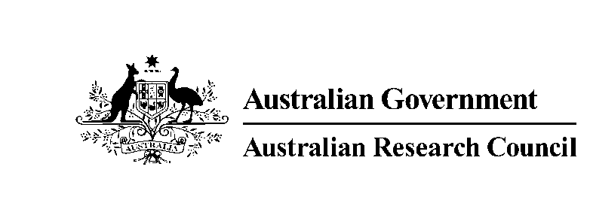 | Australian Research Council GPO Box 2702, Canberra, ACT 2601, Australia www.arc.gov.au ERA@arc.gov.au
 | ERA 2023 Submission Journal List

 | This file contains the ERA 2023 Submission Journal List. There are 26,241 journals included in the list. For each journal, the list includes: • ERA ID (unique to each Journal) • Journal title • Foreign title (where relevant) • Up to three Field of Research (FoR) codes or ‘MD’ for multidisciplinary journals • ISSN(s) The ERA 2023 Submission Journal List was developed for the sole purpose of supporting the ERA 2023 evaluation. It was released to eligible Australian universities in July 2022 to support their submission process. It is not designed to be used outside of the ERA process, and it must not be used as a future guide to publishing or as a quality indicator for publishing outlets. The ERA Submission Journal List is reviewed and updated for each ERA round and is therefore specific to each round. It is not an indexed list, but an eligibility list for submitting journal articles published by Australian universities within the reference period of each ERA round. For ERA 2023 the reference period is 1 January 2016 – 31 December 2021. NOTE: 45 - Indigenous Studies are applied to all Journals.

 | Updated: 26/07/2022

 | © Commonwealth of Australia 2022

